SiteMap
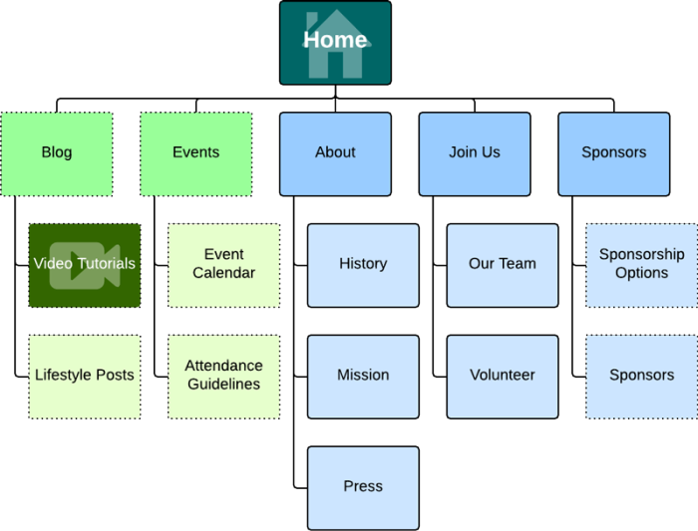

Wireframe-Page1
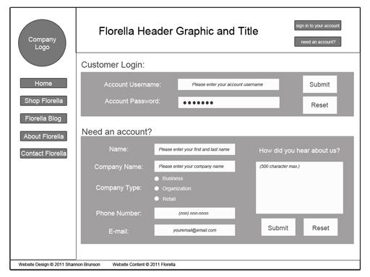

Notes
1 | Design the logo with the user in mind…..
2
3

Task:
1
2
4

